Navigating the Home Screen
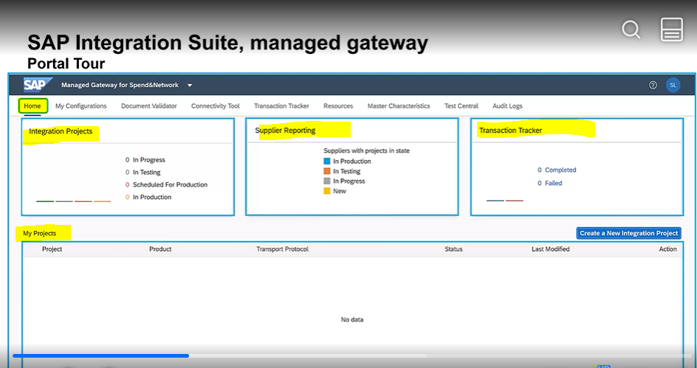
1 | Navigating the Home Screen

 | Exploring the Home Screen Components

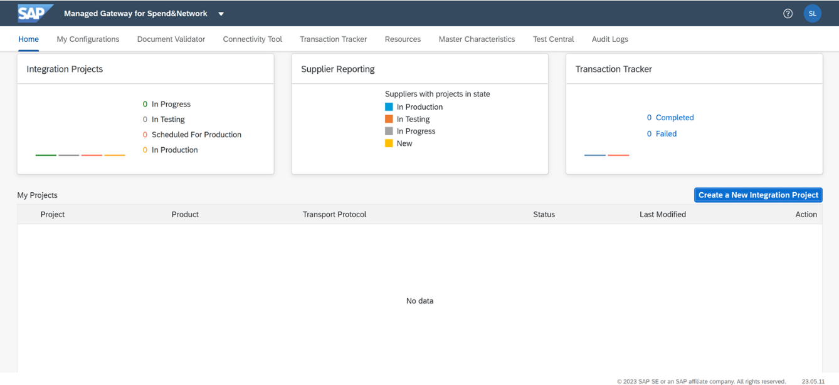
 | The Home screen of the managed gateway provides a centralized view and access to various features and tools for managing your integration landscape. On the Home screen, you'll have access to:

 | My Configurations
 | Document Validator
 | Connectivity Tool
 | Transaction Tracker
 | Resources
 | Master Characteristics
 | Test Central
 | Audit Logs

 | Navigating the Home Screen

Navigating My Configurations
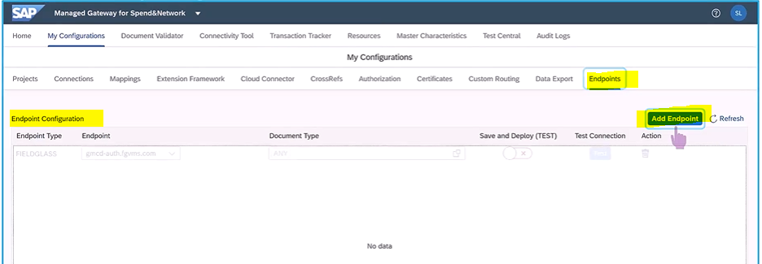
2 | Navigating My Configurations

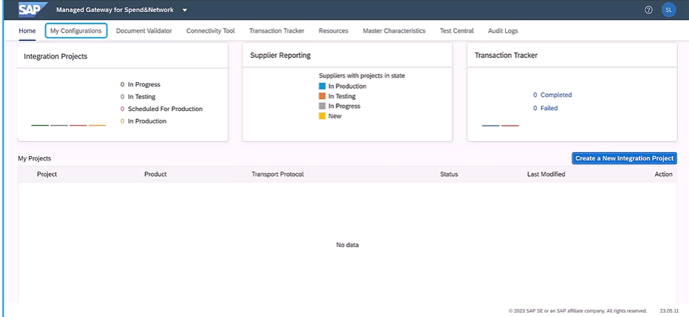

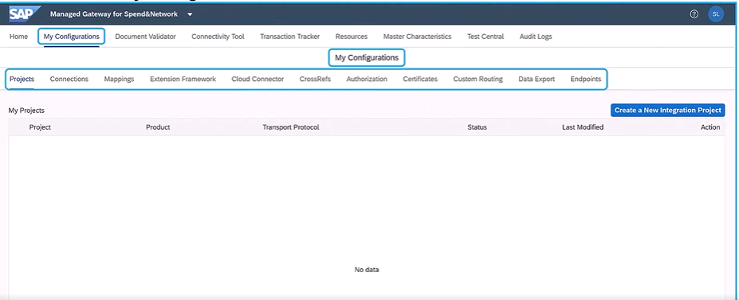

 | Projects
 | Provides with a consolidated view of all projects created so far, regardless of the status of those projects
 | Create a New Integration Project button is there to start configuring a new integration project

 | Connections
 | Can view all the connections created to the project so far

 | Mapping
 | All the custom mappings that is added for specific transaction documents, as per the customixation requirements

 | Extension Framework
 | You can view all the additional custom mappings that you've added for a specific transaction documents per customization requirements by raising a service request with SAP Ariba

 | Cloud Connector
 | Dsiplays the specific business processes that you have configured for IES scenarios using API-based integration funcationality

 | CrossRefs
 | 4 subsections:
 | Paramters: | Can see all the parameters maintained in the integration projects for specific document types
 | UOM: | Unit of measure mappings maintained in the integration projects. UOM is needed for projects created for Ariba network and Ariba sourcing product types
 | Lookup Table: | Can see additional value mappings mainatined in the integration projects for specific document types. Lookup table values need to be maintained for certain features such as real-time budget check, total landed cost, withholding tax, and so on.
 | Realm Td: | Can see the Realm ID map to the System ID in the integration project. This mapping is required for the IP created for Ariba Sourcing and Ariba Procuremnet product types.

 | Authorization
 | Can view transactional user of PUserID and change the password associated with it.
 | Can also view the email ID associated with the transactional or Puser and can change the email ID as well

 | Certificates
 | Shows list of client certificates along with their expiration dates
 | These are the certificates that is added in the connections of IPs

 | Custom Routing
 | Shows list of the document types for which custom routing logic is added and the create custom routing button.

 | Data Export
 | Can export various types of data created so far.
 | Example: backend systems added, IPs created, connections defined, custom mappings added, certificates uploaded etc.
 | The data gets downlaoded into a zip file
 | Need to set a pwd for the zip files to make it secure

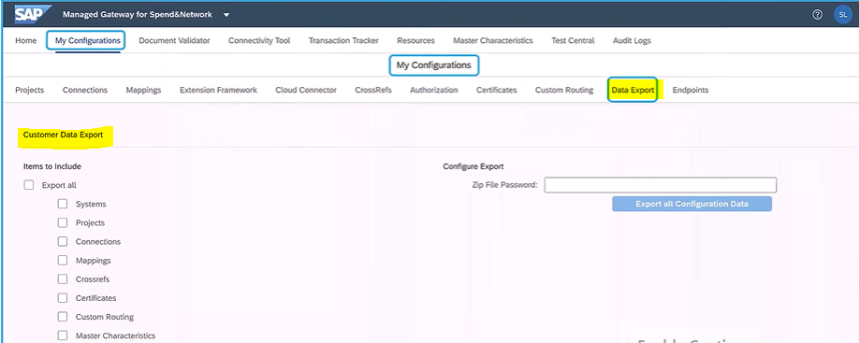

 | Endpoints
 | This section is only meant for configuraing endpoints for integration with SAP Fieldglass

